Setup 1
INPUT |  |  |  |  | RESULTS |  |  |  | Material properties
Waterjet and Pump setup |  |  |  |  | Pressure at nozzle | Pnoz | 29.160 | Mpa | Fouling materials |  |  |  |  | Construction materials
Pump pressure | Symbol | Value | Unit |  | Jet Velocity | v | 229.362 | m/s | Material |  | Polyethylene | Magnesium Oxide | Custom | Steel | Titanium | Copper | Custom | Units
 | Ppump | 36 | Mpa |  | Average drop diameter | dDS | 9.478 | μm | Density | ρf | 920 | 3570 | 1000 | 7600 | 4470 | 8100 | 3000 | kg/m3
Pump efficiency parameter | ψpump | 0.9 | Dimensionless |  | Volume of avg drop diam | VdDS | 445.871 | μm3 | Ultimate tensile strength | σu | 9.65 | 44 | 20 | 593 | 221 | 221 | 500 | Mpa
Losses in line | ψline | 0.9 | Dimensionless |  | Area of orifice | AOr | 0.123 | mm2 | Fatigue constant | b | 20.9 | 20.9 | 20.9 | 20.9 | 20.9 | 17.6 | 20.9 | dimensionless
Diameter of orifice | dN | 0.4 | mm |  | Area required | Areq | 0.581 | mm2 | Poisson's ratio | νf | 0.2 | 0.2 | 0.25 | 0.3 | 0.3 | 0.3 | 0.35 | dimensionless
Total flow | Q | 8 | l/m |  | Minimum orifices | Or | 5 |  | Speed of sound | Cf | 1473 | 9100 | 2000 | 5182 | 5182 | 2390 | 4000 | m/s
Nozzle efficiency parameter | μ | 0.95 | dimensionless |  | Flow per orifice | Qor | 1.600 | l/m | Endurance limit | σi | 4 | - |  | - | - | 88 |  | Mpa
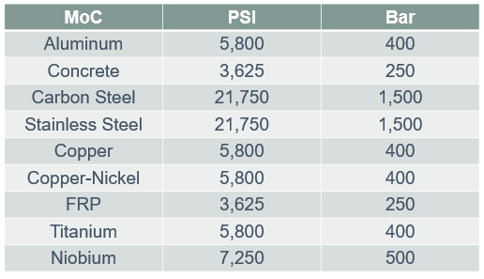
Normal impact angle | θ | 0 | degrees |  | Maximum flow per orifice | Qmax | 1.695 | l/m
Jetting area diameter | xc | 0.15 | m |  | Water Hammer | Pwh | 335.557 | Mpa | Orifice type
Water properties |  |  |  |  | Jetting area | Aj | 0.018 | m2 | Type | C
Density fluid | ρL | 1000 | kg/m3 |  | Strength and Impact |  |  |  | Rounded (0.98) | 0.98
Speed of sound | CL | 1463 | m/s |  | Impact pressure (stress at surface) | P | 161.358 | Mpa | Shard Edged (0.61) | 0.61
Target dimensions |  |  |  |  | Strength | S | 1280.233 | Mpa | Short Tube (0.8) | 0.8
Thickness | hc | 0.1 | m |  | Mass loss per Orifice |  |  |  | Reverse Tube (0.51) | 0.51
Overall fouling area per orifice | Ac | 0.3 | m2 |  | Mass loss per impact | a | 2.6692877136E-12 | kg/Impact | Rounded (0.98) | 0.98
Choose the type of orifice from the list: |  |  | Rounded (0.98) |  | Impacts per second in section | nimp | 59808012876 | impacts/s
 |  |  |  |  | Mass loss in section per second | msec | 0.160 | kg/s
Choose the material from the list: |  | Fouling material | Construction material | Units | Mass removed per section (cycle) | m | 1.626 | kg
 |  | Polyethylene | Steel |  | Time needed per section (cycle) | t | 10.184 | s
Density | ρf or s | 920 | 7600 | kg/m3 | Optimal traverse speed | Vnoz | 0.015 | m/s
Ultimate tensile strength | σu | 9.65 | 593 | Mpa | Mass removed total | Mtot | 27.600 | kg
Fatigue constant | b | 20.9 | 20.9 | dimensionless | Time needed total | ttot | 183.068 | s
Poisson's ratio | νf or s | 0.2 | 0.3 | dimensionless | Fouling material incubation
Speed of sound | Cf or s | 1473 | 5182 | m/s | Incubation period check | (S/P)>8 | Fail
 |  |  |  |  | Number of impacts in incub period | nin | Not applicable | impact/m2
 |  |  |  |  | Impacts in incub period for the area | narea | Not applicable | s
 |  |  |  |  | Duration of incub period | t | Not applicable | s
 |  |  |  |  | Duration of incub period | t | Not applicable | h
 |  |  |  |  | Material of construction incubation
 |  |  |  |  | Stress at surface (construction mat) | P | 323.53830248 | Mpa
 |  |  |  |  | Strength (construciton mat) | S | 118007 | Mpa
 |  |  |  |  | Incubation period check | (S/P)>8 | Pass
 |  |  |  |  | Number of impacts in incub period | nin | 3.9738728346E+25 | impacts/m2
 |  |  |  |  | Impacts in incub period for the area | narea | 5.9608092519E+24 | impacts
 |  |  |  |  | Duration of incub period | t | 9.9665729811E+13 | s
 |  |  |  |  | Duration of incub period | t | 27684947095 | h

Orifice - 0.4 mm
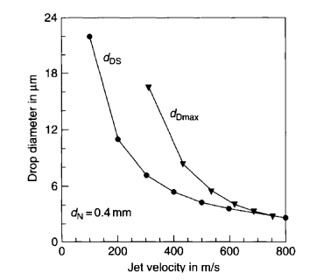
Orifice diameter dN =0.4mm
№ | Jet velocity |  | Max drop diameter
 | νjet |  | dDmax
1 | 800 | m/s | 2.536 | μm
2 | 752.71 |  | 2.771
3 | 685.71 |  | 3.302
4 | 614.78 |  | 4.01
5 | 532.02 |  | 5.543
6 | 431.53 |  | 8.43
7 | 307.39 |  | 16.63
№ | Jet velocity |  | Sauter diameter (water drop)
 | νjet |  | dDS
1 | 800 | m/s | 2.536 | μm
2 | 600 |  | 3.597
3 | 500 |  | 4.305
4 | 400 |  | 5.366
5 | 300 |  | 7.135
6 | 200 |  | 11.027
7 | 100 |  | 22.054

